grafo
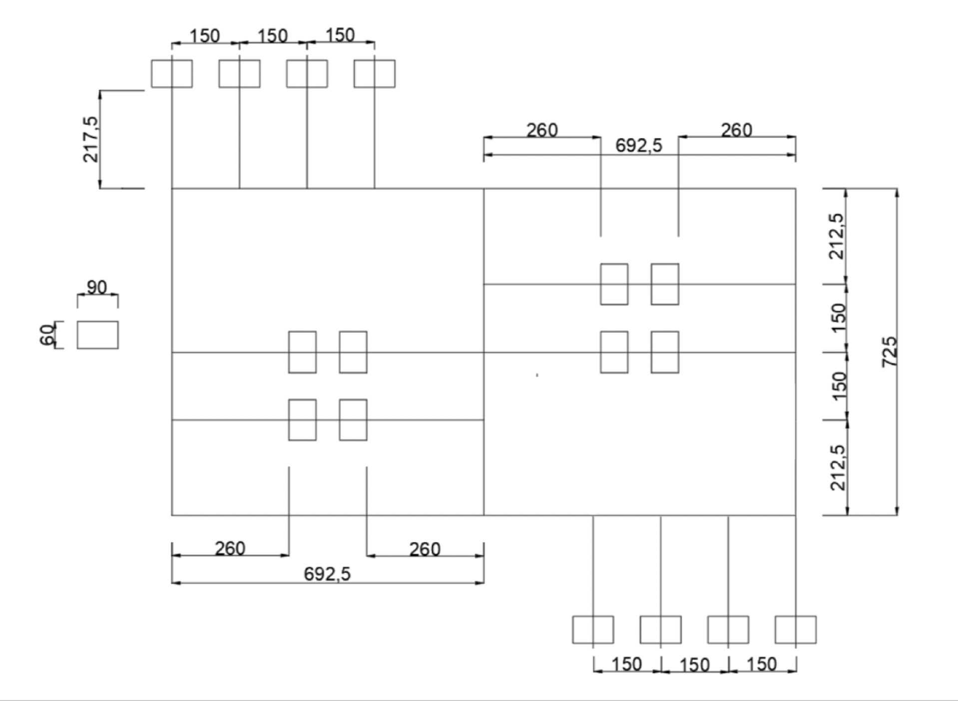

A
B
C
D

E
F
G
H
I

J
K
L
M

N
O
P
Q
R
S
T

U
V
X
Y

Z
W
AA
AB
AC

AD
AE
AF
AG

matriz
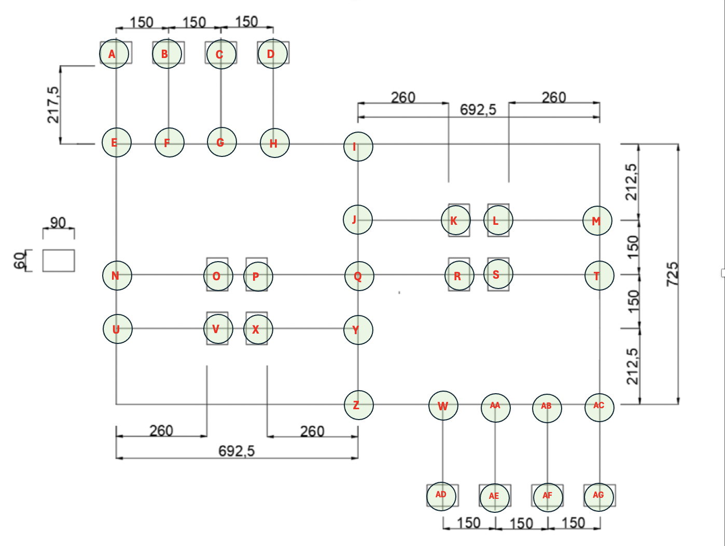
 | A | B | C | D | E | F | G | H | I | J | K | L | M | N | O | P | Q | R | S | T | U | V | X | Y | Z | W | AA | AB | AC | AD | AE | AF | AG
A | 0 | 5850 | 7350 | 8850 | 2175 | 3675 | 5175 | 6675 | 9275 | 11400 | 14000 | 20925 | 18325 | 5800 | 8400 | 15500 | 12900 | 15500 | 22425 | 19825 | 7300 | 9900 | 17000 | 14400 | 16350 | 18950 | 20450 | 21950 | 23450 | 21125 | 22625 | 24125 | 25625
B | 5850 | 0 | 5850 | 7350 | 3675 | 2175 | 3675 | 5175 | 7775 | 9900 | 12500 | 19425 | 16825 | 7300 | 9900 | 14000 | 11400 | 14000 | 20925 | 18325 | 8800 | 11400 | 15500 | 12900 | 15025 | 17625 | 19125 | 20625 | 21950 | 19800 | 21300 | 22800 | 24125
C | 7350 | 5850 | 0 | 5850 | 5175 | 3675 | 2175 | 3675 | 6275 | 8400 | 11000 | 17925 | 15325 | 8800 | 11400 | 12500 | 9900 | 12500 | 19425 | 16825 | 10300 | 12900 | 14000 | 11400 | 13525 | 16125 | 17625 | 19125 | 20450 | 18300 | 19800 | 21300 | 22625
D | 8850 | 7350 | 5850 | 0 | 6675 | 5175 | 3675 | 2175 | 4775 | 6900 | 9500 | 16425 | 13825 | 10300 | 12900 | 11000 | 8400 | 11000 | 17925 | 15325 | 11800 | 14400 | 12500 | 9900 | 12025 | 14625 | 16125 | 17625 | 18950 | 16800 | 18300 | 19800 | 21125
E | 2175 | 3675 | 5175 | 6675 | 0 | 1500 | 3000 | 4500 | 7100 | 9225 | 11825 | 18750 | 16150 | 3625 | 6225 | 13325 | 10725 | 13325 | 20250 | 17650 | 5125 | 7725 | 14825 | 12225 | 14175 | 16775 | 18275 | 19775 | 21275 | 18950 | 20450 | 21950 | 23450
F | 3675 | 2175 | 3675 | 5175 | 1500 | 0 | 1500 | 3000 | 5600 | 7725 | 10325 | 17250 | 14650 | 5125 | 7725 | 11825 | 9225 | 11825 | 18750 | 16150 | 6625 | 9225 | 13325 | 10725 | 12850 | 15450 | 16950 | 18450 | 19775 | 17625 | 19125 | 20625 | 21950
G | 5175 | 3675 | 2175 | 3675 | 3000 | 1500 | 0 | 1500 | 4100 | 6225 | 8825 | 15750 | 13150 | 6625 | 9225 | 10325 | 7725 | 10325 | 17250 | 14650 | 8125 | 10725 | 11825 | 9225 | 11350 | 13950 | 15450 | 16950 | 18275 | 16125 | 17625 | 19125 | 20450
H | 6675 | 5175 | 3675 | 2175 | 4500 | 3000 | 1500 | 0 | 2600 | 4725 | 7325 | 14250 | 11650 | 8125 | 10725 | 8825 | 6225 | 8825 | 15750 | 13150 | 9625 | 12225 | 10325 | 7725 | 9850 | 12450 | 13950 | 15450 | 16775 | 14625 | 16125 | 17625 | 18950
I | 9275 | 7775 | 6275 | 4775 | 7100 | 5600 | 4100 | 2600 | 0 | 2125 | 4725 | 11650 | 9050 | 10725 | 13325 | 6225 | 3625 | 6225 | 13150 | 10550 | 12225 | 14825 | 7725 | 5125 | 7250 | 9850 | 11350 | 12850 | 14175 | 12025 | 13525 | 15025 | 16350
J | 11400 | 9900 | 8400 | 6900 | 9225 | 7725 | 6225 | 4725 | 2125 | 0 | 2600 | 13775 | 11175 | 12850 | 15450 | 4100 | 1500 | 4100 | 15275 | 12675 | 14175 | 16775 | 5600 | 3000 | 5125 | 7725 | 9225 | 10725 | 12225 | 9900 | 11400 | 12900 | 14400
K | 14000 | 12500 | 11000 | 9500 | 11825 | 10325 | 8825 | 7325 | 4725 | 2600 | 0 | 16375 | 13775 | 15450 | 18050 | 6700 | 4100 | 6700 | 17875 | 15275 | 16775 | 19375 | 8200 | 5600 | 7725 | 10325 | 11825 | 13325 | 14825 | 12500 | 14000 | 15500 | 17000
L | 20925 | 19425 | 17925 | 16425 | 18750 | 17250 | 15750 | 14250 | 11650 | 13775 | 16375 | 0 | 2600 | 22375 | 24975 | 17875 | 15275 | 17875 | 6700 | 4100 | 23875 | 26475 | 19375 | 16775 | 14825 | 12225 | 10725 | 9225 | 7725 | 14400 | 12900 | 11400 | 9900
M | 18325 | 16825 | 15325 | 13825 | 16150 | 14650 | 13150 | 11650 | 9050 | 11175 | 13775 | 2600 | 0 | 19775 | 22375 | 15275 | 12675 | 15275 | 4100 | 1500 | 21275 | 23875 | 16775 | 14175 | 12225 | 9625 | 8125 | 6625 | 5125 | 11800 | 10300 | 8800 | 7300
N | 5800 | 7300 | 8800 | 10300 | 3625 | 5125 | 6625 | 8125 | 10725 | 12850 | 15450 | 22375 | 19775 | 0 | 2600 | 16775 | 14175 | 16775 | 23875 | 21275 | 1500 | 4100 | 15275 | 12675 | 10550 | 13150 | 14650 | 16150 | 17650 | 15325 | 16825 | 18325 | 19825
O | 8400 | 9900 | 11400 | 12900 | 6225 | 7725 | 9225 | 10725 | 13325 | 15450 | 18050 | 24975 | 22375 | 2600 | 0 | 19375 | 16775 | 19375 | 26475 | 23875 | 4100 | 6700 | 17875 | 15275 | 13150 | 15750 | 17250 | 18750 | 20250 | 17925 | 19425 | 20925 | 22425
P | 15500 | 14000 | 12500 | 11000 | 13325 | 11825 | 10325 | 8825 | 6225 | 4100 | 6700 | 17875 | 15275 | 16775 | 19375 | 0 | 2600 | 5200 | 19375 | 16775 | 15275 | 17875 | 6700 | 4100 | 6225 | 8825 | 10325 | 11825 | 13325 | 11000 | 12500 | 14000 | 15500
Q | 12900 | 11400 | 9900 | 8400 | 10725 | 9225 | 7725 | 6225 | 3625 | 1500 | 4100 | 15275 | 12675 | 14175 | 16775 | 2600 | 0 | 2600 | 16775 | 14175 | 12675 | 15275 | 4100 | 1500 | 3625 | 6225 | 7725 | 9225 | 10725 | 8400 | 9900 | 11400 | 12900
R | 15500 | 14000 | 12500 | 11000 | 13325 | 11825 | 10325 | 8825 | 6225 | 4100 | 6700 | 17875 | 15275 | 16775 | 19375 | 5200 | 2600 | 0 | 19375 | 16775 | 15275 | 17875 | 6700 | 4100 | 6225 | 8825 | 10325 | 11825 | 13325 | 11000 | 12500 | 14000 | 15500
S | 22425 | 20925 | 19425 | 17925 | 20250 | 18750 | 17250 | 15750 | 13150 | 15275 | 17875 | 6700 | 4100 | 23875 | 26475 | 19375 | 16775 | 19375 | 0 | 2600 | 22375 | 24975 | 18050 | 15450 | 13325 | 10725 | 9225 | 7725 | 6225 | 12900 | 11400 | 9900 | 8400
T | 19825 | 18325 | 16825 | 15325 | 17650 | 16150 | 14650 | 13150 | 10550 | 12675 | 15275 | 4100 | 1500 | 21275 | 23875 | 16775 | 14175 | 16775 | 2600 | 0 | 19775 | 22375 | 15450 | 12850 | 10725 | 8125 | 6625 | 5125 | 3625 | 10300 | 8800 | 7300 | 5800
U | 7300 | 8800 | 10300 | 11800 | 5125 | 6625 | 8125 | 9625 | 12225 | 14175 | 16775 | 23875 | 21275 | 1500 | 4100 | 15275 | 12675 | 15275 | 22375 | 19775 | 0 | 2600 | 13775 | 11175 | 9050 | 11650 | 13150 | 14650 | 16150 | 13825 | 15325 | 16825 | 18325
V | 9900 | 11400 | 12900 | 14400 | 7725 | 9225 | 10725 | 12225 | 14825 | 16775 | 19375 | 26475 | 23875 | 4100 | 6700 | 17875 | 15275 | 17875 | 24975 | 22375 | 2600 | 0 | 16375 | 13775 | 11650 | 14250 | 15750 | 17250 | 18750 | 16425 | 17925 | 19425 | 20925
X | 17000 | 15500 | 14000 | 12500 | 14825 | 13325 | 11825 | 10325 | 7725 | 5600 | 8200 | 19375 | 16775 | 15275 | 17875 | 6700 | 4100 | 6700 | 18050 | 15450 | 13775 | 16375 | 0 | 2600 | 4725 | 7325 | 8825 | 10325 | 11825 | 9500 | 11000 | 12500 | 14000
Y | 14400 | 12900 | 11400 | 9900 | 12225 | 10725 | 9225 | 7725 | 5125 | 3000 | 5600 | 16775 | 14175 | 12675 | 15275 | 4100 | 1500 | 4100 | 15450 | 12850 | 11175 | 13775 | 2600 | 0 | 2125 | 4725 | 6225 | 7725 | 9225 | 6900 | 8400 | 9900 | 11400
Z | 16350 | 15025 | 13525 | 12025 | 14175 | 12850 | 11350 | 9850 | 7250 | 5125 | 7725 | 14825 | 12225 | 10550 | 13150 | 6225 | 3625 | 6225 | 13325 | 10725 | 9050 | 11650 | 4725 | 2125 | 0 | 2600 | 4100 | 5600 | 7100 | 4775 | 6275 | 7775 | 9275
W | 18950 | 17625 | 16125 | 14625 | 16775 | 15450 | 13950 | 12450 | 9850 | 7725 | 10325 | 12225 | 9625 | 13150 | 15750 | 8825 | 6225 | 8825 | 10725 | 8125 | 11650 | 14250 | 7325 | 4725 | 2600 | 0 | 1500 | 3000 | 4500 | 2175 | 3675 | 5175 | 6675
AA | 20450 | 19125 | 17625 | 16125 | 18275 | 16950 | 15450 | 13950 | 11350 | 9225 | 11825 | 10725 | 8125 | 14650 | 17250 | 10325 | 7725 | 10325 | 9225 | 6625 | 13150 | 15750 | 8825 | 6225 | 4100 | 1500 | 0 | 1500 | 3000 | 3675 | 2175 | 3675 | 5175
AB | 21950 | 20625 | 19125 | 17625 | 19775 | 18450 | 16950 | 15450 | 12850 | 10725 | 13325 | 9225 | 6625 | 16150 | 18750 | 11825 | 9225 | 11825 | 7725 | 5125 | 14650 | 17250 | 10325 | 7725 | 5600 | 3000 | 1500 | 0 | 1500 | 5175 | 3675 | 2175 | 3675
AC | 23450 | 21950 | 20450 | 18950 | 21275 | 19775 | 18275 | 16775 | 14175 | 12225 | 14825 | 7725 | 5125 | 17650 | 20250 | 13325 | 10725 | 13325 | 6225 | 3625 | 16150 | 18750 | 11825 | 9225 | 7100 | 4500 | 3000 | 1500 | 0 | 6675 | 5175 | 3675 | 2175
AD | 21125 | 19800 | 18300 | 16800 | 18950 | 17625 | 16125 | 14625 | 12025 | 9900 | 12500 | 14400 | 11800 | 15325 | 17925 | 11000 | 8400 | 11000 | 12900 | 10300 | 13825 | 16425 | 9500 | 6900 | 4775 | 2175 | 3675 | 5175 | 6675 | 0 | 5850 | 7350 | 8850
AE | 22625 | 21300 | 19800 | 18300 | 20450 | 19125 | 17625 | 16125 | 13525 | 11400 | 14000 | 12900 | 10300 | 16825 | 19425 | 12500 | 9900 | 12500 | 11400 | 8800 | 15325 | 17925 | 11000 | 8400 | 6275 | 3675 | 2175 | 3675 | 5175 | 5850 | 0 | 5850 | 7350
AF | 24125 | 22800 | 21300 | 19800 | 21950 | 20625 | 19125 | 17625 | 15025 | 12900 | 15500 | 11400 | 8800 | 18325 | 20925 | 14000 | 11400 | 14000 | 9900 | 7300 | 16825 | 19425 | 12500 | 9900 | 7775 | 5175 | 3675 | 2175 | 3675 | 7350 | 5850 | 0 | 5850
AG | 25625 | 24125 | 22625 | 21125 | 23450 | 21950 | 20450 | 18950 | 16350 | 14400 | 17000 | 9900 | 7300 | 19825 | 22425 | 15500 | 12900 | 15500 | 8400 | 5800 | 18325 | 20925 | 14000 | 11400 | 9275 | 6675 | 5175 | 3675 | 2175 | 8850 | 7350 | 5850 | 0

